Dissassembly
PT SAPTAINDRA SEJATI
PLANT REBUILD CENTER

DISASSEMBLY CHECK SHEET |  |  |  |  | WO NUMBER |  |  |  |  |  | DOCUMENT NO
STEERING CYLINDER |  |  |  |  | COMP. MODEL |  |  |  |  |  | PUBLIC DATE
 |  |  |  |  | COMP. S/N |  |  |  |  |  | REVISION NO
HD785-7 |  |  |  |  | UNIT MODEL |  |  |  |  |  | PAGE

PROCESS |  | START |  |  |  |  | DISASSEMBLY BY
 |  | FINISH

NO | PART TO REMOVE OR INSPECT |  | CONDITION TOBE INSPECTED |  |  |  | REUSE | SALVAGE | REPAIR | SKETCH DRAWING OR PHOTHOES

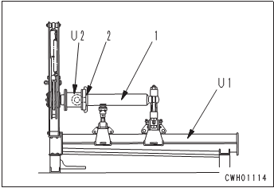
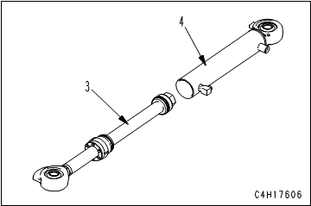
1 | Cylinder Rod Assembly
 |  |  | • | Loosen cylinder head nut (2), and remove cylinder head assembly.

 |  |  | • | Pull cylinder head and piston rod assembly (3) out of cylinder (4).

 |  |  |  | (Check Cylinder for damage, crack, scratch, and wear)

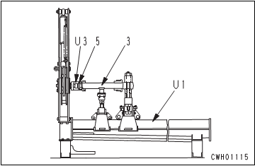
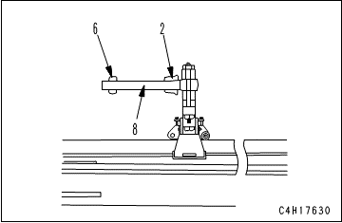
 |  |  |  | Put an oil pan under the cylinder to receive the oil.

 |  |  | • | Remove nut (5).

 |  |  | • | Remove piston assembly (6) and cylinder head assembly (2) from rod (8).

 |  |  |  | (Check rod for damage, scratch, and wear)

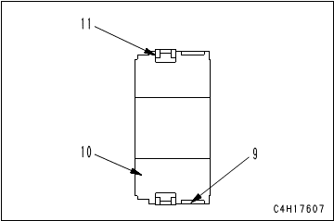
2 | Piston
 |  |  | • | Remove wear ring (9).

 |  |  | • | Remove piston ring (11).
 |  |  |  | (Check Piston for damage, scratch, and wear)

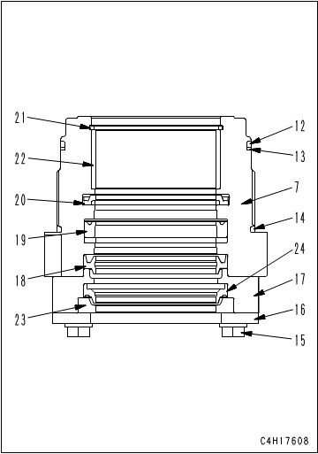
3 | Cylinder Head and Collar
 |  |  | • | Remove O-ring (12), backup ring (13), and O-ring (14).

 |  |  | • | Remove bolt and washer (15).

 |  |  | • | Remove plate (16) and collar (17).
 |  |  |  | (Check Collar for damage, scratch, and wear)

 |  |  | • | Remove ring (23) and dust seal (24) from collar (17).

 |  |  | • | Remove dust seal (18).

 |  |  | • | Remove packing (19).

 |  |  | • | Remove buffer ring (20).

 |  |  | • | Remove snap ring (21), and remove bushing (22).
 |  |  |  | (Check Head for damage, scratch, and wear)

NOTE:

 | DISSASSEMBLY BY |  |  |  |  | INSPECTED BY |  |  |  |  |  | APPROVED BY

 | MECHANIC |  |  |  |  | QA(QUALITY ASSURANCE) |  |  |  |  |  | GL/SPV PRODUCTION

Assembly
PT SAPTAINDRA SEJATI
PLANT REBUILD CENTER

ASSEMBLY CHECK SHEET |  |  |  |  |  |  | WO NUMBER |  |  |  |  |  |  |  | DOCUMENT NO
STEERING CYLINDER |  |  |  |  |  |  | COMP.MODEL |  |  |  |  |  |  |  | PUBLIC DATE
 |  |  |  |  |  |  | COMP.S/N |  |  |  |  |  |  |  | REVISION NO
HD785-7 |  |  |  |  |  |  | UNIT MODEL |  |  |  |  |  |  |  | PAGE

PROCESS |  |  | START |  |  |  |  |  |  |  |  | ASSEMBLY BY
 |  |  | FINISH

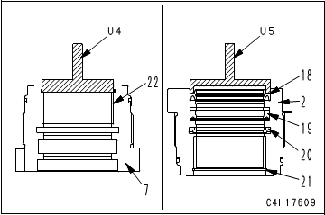
NO | PART TO INSTALL OR FIT |  |  | CONDITION TOBE ASSAMBLY |  |  |  |  |  |  | SPECIFICATION | SIGNATURE |  | SKETCH DRAWING OR PHOTHOES
 |  |  |  |  |  |  |  |  |  |  |  | MECH | GL/QA
1 | Cylinder Head and Collar
 |  |  |  |  |  | IMPORTANT
 |  |  |  |  | Clean all the parts and check them for dirt or damage. Coat their sliding surfaces with engine oil before installing.

 |  |  |  | • | Press fit bushing (22) to cylinder head (7). |  |  |  |  |  | Press fit

 |  |  |  |  | Take extreme care not to deform it.

 |  |  |  | • | Install snap ring (21).
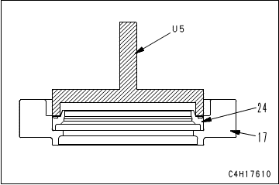
 |  |  |  | • | Install rod packing (19).

 |  |  |  |  | Install it to the direction of the following figure.

 |  |  |  | • | Install buffer ring (20).

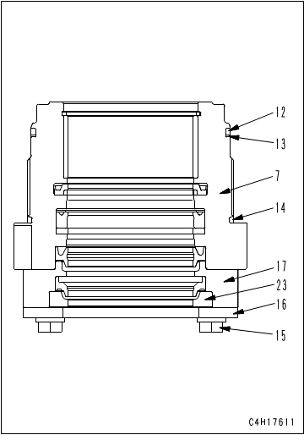
 |  |  |  | • | Press fit dust seal (18) to cylinder head (2). |  |  |  |  |  | Press fit

 |  |  |  | • | Press fit dust seal (24) to collar (17).

 |  |  |  | • | Install ring (23) to collar (17).

 |  |  |  | • | Install collar (17) and plate (16) with bolt and washer (15) to cylinder head (7).

 |  |  |  | • | Install O-ring (14).

 |  |  |  | • | Install the backup ring (13) and O-ring (12).

 |  |  |  |  | Take care not to damage the packings, dust seals, and O-ring etc.

2 | Piston
 |  |  |  | • | Install piston ring (11).

 |  |  |  | • | Install wear ring (9).

 |  |  |  |  | Take care not to damage the packings, dust seals, and O-ring etc.

3 | Cylinder Rod Assembly
 |  |  |  | • | Install cylinder head assembly (2) and piston assembly (6) to piston rod (8).

 |  |  |  | • | Install and tighten nut (5).
 |  |  |  |  |  | Nut : Adhesive (LOCTITE No. 262)
 |  |  |  |  |  | Nut : |  | Act: |  | Kgm | 405 ± 40.5 kgm

 |  |  |  | • | Install cylinder head and piston rod assembly (3) to cylinder (4).

 |  |  |  | • | Tighten cylinder head nut (2).
 |  |  |  |  |  | Cylinder head nut : |  | Act: |  | Kgm | 95 ± 9.5 kgm

 | ASSEMBLY BY |  |  |  |  |  |  |  | INSPECTED BY |  |  |  |  |  |  | APPROVED BY

 |  | MECHANIC |  |  |  |  |  |  | QA(QUALITY ASSURANCE) |  |  |  |  |  |  | GL/SPV PRODUCTION

Measuring
PT SAPTAINDRA SEJATI
PLANT REBUILD CENTER

MEASUREMENT CHECK SHEET |  |  |  |  |  | WO NUMBER |  |  |  |  |  |  | DOCUMENT NO
STEERING CYLINDER |  |  |  |  |  | COMP.MODEL |  |  |  |  |  |  | PUBLIC DATE
 |  |  |  |  |  | COMP.S/N |  |  |  |  |  |  | REVISION NO
HD785-7 |  |  |  |  |  | UNIT MODEL |  |  |  |  |  |  | PAGE

PROCESS |  |  | START |  |  |  |  |  | MEASUREMENT BY
 |  |  | FINISH

NO | PART TO MEASURING OR INSPECT |  |  | STANDARD VALUE TABLE

1 | Rod

 |  |  |  |  | Rod Cylinder
 |  |  |  |  | Items Check |  | Unit | Gauge No. |  | Standard |  |  |  | Actual Data |  |  |  |  |  | Result
 |  |  |  |  |  |  |  |  |  | Nominal | Min | Max |  | A | B |  | C | D | E
 |  |  |  |  | Out Diameter | x-x' | mm |  |  | Ø70 (f7) | - 0.03 | - 0.06
 |  |  |  |  |  | y-y' | mm
 |  |  |  |  | Chrome Thickness |  | µm |  |  |  | 30 | 250
 |  |  |  |  | Chrome Hardness |  | Hrc |  |  |  | 50 | 65
 |  |  |  |  | Round Out |  | mm |  |  |  | Max 0.5
 |  |  |  |  | Bending |  | mm/M
 |  |  |  |  | Roughness |  | µm |  |  |  | Max 0.2
 |  |  |  |  | L. Rod |  | mm
 |  |  |  |  | L. Chrome |  | mm
 |  |  |  |  | L. Center |  | mm
 |  |  |  |  | L. Total |  | mm
 |  |  |  |  | Visual |  | No Scratch, No Pinhole
 |  |  |  |  | Recommendation
 |  |  |  |  | Note : Result = Good/No Good

2 | Cylinder
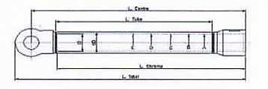

 |  |  |  |  | Tube Cylinder
 |  |  |  |  | Items Check |  | Unit | Gauge No. |  | Standard |  |  |  | Actual Data |  |  |  |  |  | Result
 |  |  |  |  |  |  |  |  |  | Nominal | Min | Max |  | A | B |  | C | D | E
 |  |  |  |  | Inside Diameter | x-x' | mm |  |  | Ø110 (H10) | 0.00 | 0.14
 |  |  |  |  |  | y-y' | mm
 |  |  |  |  | Roughness |  | µm |  |  |  | Max 0.3
 |  |  |  |  | OD Tube |  | mm
 |  |  |  |  | L. Tube |  | mm
 |  |  |  |  | L. ID Tube |  | mm
 |  |  |  |  | L. Center |  | mm
 |  |  |  |  | L. Total |  | mm
 |  |  |  |  | Visual |  | No Scratch, No Pinhole
 |  |  |  |  | Recommendation
 |  |  |  |  | Note : Result = Good/No Good

 | NOTE

 |  |  |  |  |  |  |  |  |  |  |  |  |  |  |  |  |  |  |  |  | s

 |  | MECHANIC |  |  |  |  |  | QA(QUALITY ASSURANCE) |  |  |  |  |  |  |  | GROUP LEADER (GL)

